demo
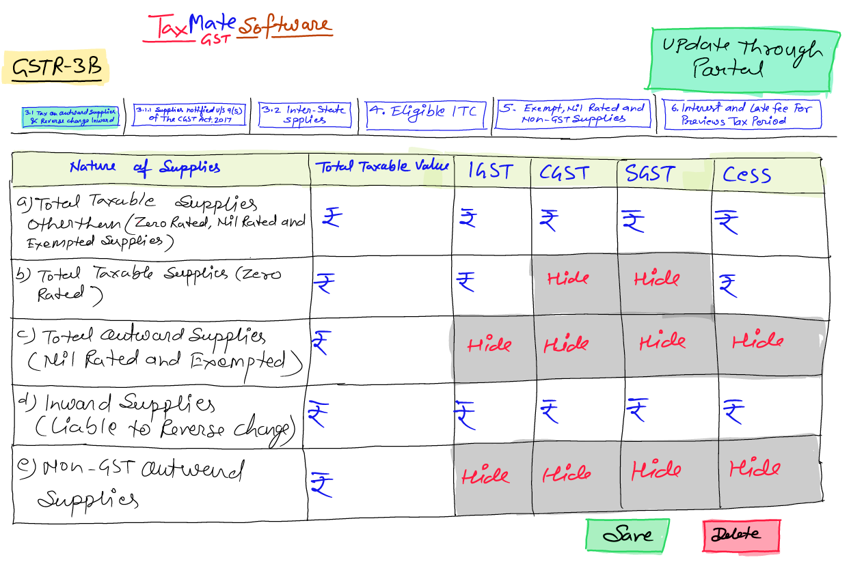
GSTR-3B Summary Report
Name |  |  | TAXMATE TECHNOLOGY PRIVATE LIMITED
Legal name |  |  | TAXMATE TECHNOLOGY PRIVATE LIMITED
GSTIN |  |  | 09AALCT8609A1Z7
Financial Year |  |  | 2025-26
Perticulars | Apr-25 | May-25 | Jun-25 | Jul-25 | Aug-25 | Sep-25 | Oct-25 | Nov-25 | Dec-25 | Jan-26 | Feb-26 | Mar-26 | Total
3.1 Tax on outward and reverse charge inward supplies
(a) Outward taxable supplies (other than zero rated, nil rated and exempted)
taxable |  |  |  |  |  |  |  |  |  |  |  |  | -
IGST |  |  |  |  |  |  |  |  |  |  |  |  | -
CGST |  |  |  |  |  |  |  |  |  |  |  |  | -
SGST |  |  |  |  |  |  |  |  |  |  |  |  | -
CESS |  |  |  |  |  |  |  |  |  |  |  |  | -
Total | - | - | - | - | - | - | - | - | - | - | - | - | -
(b) Outward taxable supplies (zero rated)
taxable |  |  |  |  |  |  |  |  |  |  |  |  | -
IGST |  |  |  |  |  |  |  |  |  |  |  |  | -
CESS |  |  |  |  |  |  |  |  |  |  |  |  | -
Total | - | - | - | - | - | - | - | - | - | - | - | - | -
(c) Other outward supplies (Nil rated, exempted)
taxable |  |  |  |  |  |  |  |  |  |  |  |  | -
(d) Inward supplies (liable to reverse charge)
taxable |  |  |  |  |  |  |  |  |  |  |  |  | -
IGST |  |  |  |  |  |  |  |  |  |  |  |  | -
CGST |  |  |  |  |  |  |  |  |  |  |  |  | -
SGST |  |  |  |  |  |  |  |  |  |  |  |  | -
CESS |  |  |  |  |  |  |  |  |  |  |  |  | -
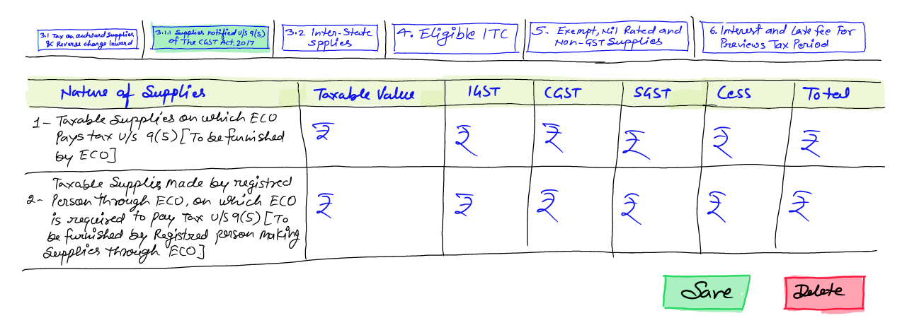
Total | - | - | - | - | - | - | - | - | - | - | - | - | -
(e) Non-GST outward supplies
taxable |  |  |  |  |  |  |  |  |  |  |  |  | -

3.1.1 Details of Supplies notified under section 9(5) of the CGST Act, 2017 and corresponding provisions in IGST/UTGST/ SGST Acts
(I) Taxable supplies on which electronic commerce operator pays tax u/s 9(5) [to be furnished by electronic commerce operator]
taxable |  |  |  |  |  |  |  |  |  |  |  |  | -
IGST |  |  |  |  |  |  |  |  |  |  |  |  | -
CGST |  |  |  |  |  |  |  |  |  |  |  |  | -
SGST |  |  |  |  |  |  |  |  |  |  |  |  | -
CESS |  |  |  |  |  |  |  |  |  |  |  |  | -
Total | - | - | - | - | - | - | - | - | - | - | - | - | -
(ii) Taxable supplies made by registered person through electronic commerce operator, on which electronic commerce operator is required to pay tax u/s 9(5) [to be furnished by registered person making supplies through electronic commerce operator]
taxable |  |  |  |  |  |  |  |  |  |  |  |  | -
IGST |  |  |  |  |  |  |  |  |  |  |  |  | -
CGST |  |  |  |  |  |  |  |  |  |  |  |  | -
SGST |  |  |  |  |  |  |  |  |  |  |  |  | -
CESS |  |  |  |  |  |  |  |  |  |  |  |  | -
Total | - | - | - | - | - | - | - | - | - | - | - | - | -
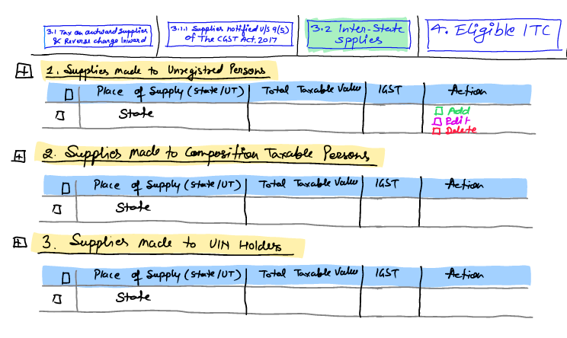
3.2 Inter-state supplies
Supplies made to Unregistered Persons
taxable |  |  |  |  |  |  |  |  |  |  |  |  | -
IGST |  |  |  |  |  |  |  |  |  |  |  |  | -
Total | - | - | - | - | - | - | - | - | - | - | - | - | -

Supplies made to Composition Taxable Persons
taxable |  |  |  |  |  |  |  |  |  |  |  |  | -
IGST |  |  |  |  |  |  |  |  |  |  |  |  | -
Total | - | - | - | - | - | - | - | - | - | - | - | - | -

Supplies made to UIN holders
taxable |  |  |  |  |  |  |  |  |  |  |  |  | -
IGST |  |  |  |  |  |  |  |  |  |  |  |  | -
Total | - | - | - | - | - | - | - | - | - | - | - | - | -

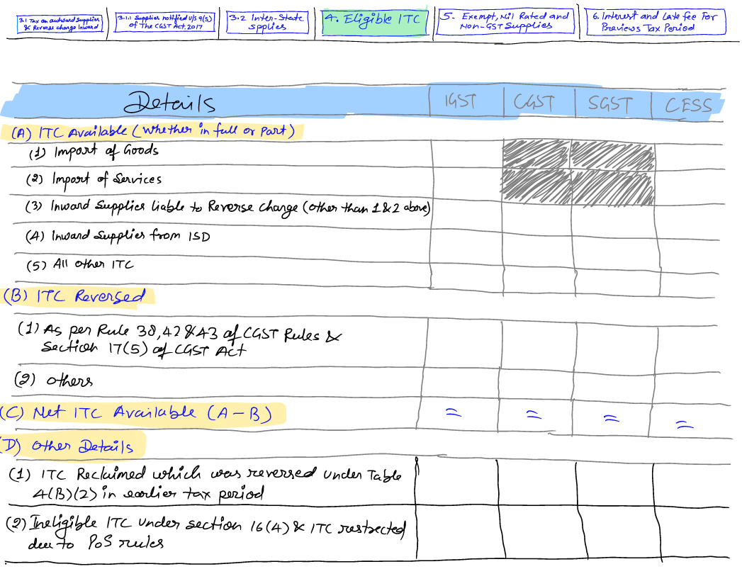
4. Eligible ITC
(A) ITC Available (whether in full or part)
(1) Import of goods
IGST |  |  |  |  |  |  |  |  |  |  |  |  | -
CESS |  |  |  |  |  |  |  |  |  |  |  |  | -
Total | - | - | - | - | - | - | - | - | - | - | - | - | -
(2) Import of services
IGST |  |  |  |  |  |  |  |  |  |  |  |  | -
CESS |  |  |  |  |  |  |  |  |  |  |  |  | -
Total | - | - | - | - | - | - | - | - | - | - | - | - | -
(3) Inward supplies liable to reverse charge (other than 1 & 2 above)
IGST |  |  |  |  |  |  |  |  |  |  |  |  | -
CGST
SGST
CESS |  |  |  |  |  |  |  |  |  |  |  |  | -
Total | - | - | - | - | - | - | - | - | - | - | - | - | -
(4) Inward supplies from ISD
IGST |  |  |  |  |  |  |  |  |  |  |  |  | -
CGST
SGST
CESS |  |  |  |  |  |  |  |  |  |  |  |  | -
Total | - | - | - | - | - | - | - | - | - | - | - | - | -
(5) All other ITC
IGST |  |  |  |  |  |  |  |  |  |  |  |  | -
CGST
SGST
CESS |  |  |  |  |  |  |  |  |  |  |  |  | -
G.Total | - | - | - | - | - | - | - | - | - | - | - | - | -
(B) ITC Reversed
(1) As per rules 38,42 & 43 of CGST Rules and section 17(5)
IGST |  |  |  |  |  |  |  |  |  |  |  |  | -
CGST
SGST
CESS |  |  |  |  |  |  |  |  |  |  |  |  | -
Total | - | - | - | - | - | - | - | - | - | - | - | - | -
(2) Others
IGST |  |  |  |  |  |  |  |  |  |  |  |  | -
CGST
SGST
CESS |  |  |  |  |  |  |  |  |  |  |  |  | -
Total | - | - | - | - | - | - | - | - | - | - | - | - | -
(C) Net ITC Available (A) - (B)
IGST | - | - | - | - | - | - | - | - | - | - | - | - | -
CGST | - | - | - | - | - | - | - | - | - | - | - | -
SGST | - | - | - | - | - | - | - | - | - | - | - | -
CESS | - | - | - | - | - | - | - | - | - | - | - | - | -
Total | - | - | - | - | - | - | - | - | - | - | - | - | -
(D) Other Details
(1) ITC reclaimed which was reversed under Table 4(B)(2) in earlier tax period
IGST |  |  |  |  |  |  |  |  |  |  |  |  | -
CGST
SGST
CESS |  |  |  |  |  |  |  |  |  |  |  |  | -
Total | - | - | - | - | - | - | - | - | - | - | - | - | -
(2) Ineligible ITC under section 16(4) & ITC restricted due to PoS rules
IGST |  |  |  |  |  |  |  |  |  |  |  |  | -
CGST
SGST
CESS |  |  |  |  |  |  |  |  |  |  |  |  | -
Total | - | - | - | - | - | - | - | - | - | - | - | - | -

5. Exempt, Nil and Non GST Inward Supplies
From a supplier under composition scheme, Exempt and Nil rated supply
Inter State |  |  |  |  |  |  |  |  |  |  |  |  | -
Intra State |  |  |  |  |  |  |  |  |  |  |  |  | -
Total | - | - | - | - | - | - | - | - | - | - | - | - | -

Non GST Supply
Inter State |  |  |  |  |  |  |  |  |  |  |  |  | -
Intra State |  |  |  |  |  |  |  |  |  |  |  |  | -
Total | - | - | - | - | - | - | - | - | - | - | - | - | -

5.1 Interest and Late fee for previous tax period
Interest |  |  |  |  |  |  |  |  |  |  |  |  | -
Letw Fees |  |  |  |  |  |  |  |  |  |  |  |  | -
Total | - | - | - | - | - | - | - | - | - | - | - | - | -

6.1 Payment of tax
Tax paid through ITC
IGST |  |  |  |  |  |  |  |  |  |  |  |  | -
CGST |  |  |  |  |  |  |  |  |  |  |  |  | -
SGST |  |  |  |  |  |  |  |  |  |  |  |  | -
CESS |  |  |  |  |  |  |  |  |  |  |  |  | -
Total | - | - | - | - | - | - | - | - | - | - | - | - | -
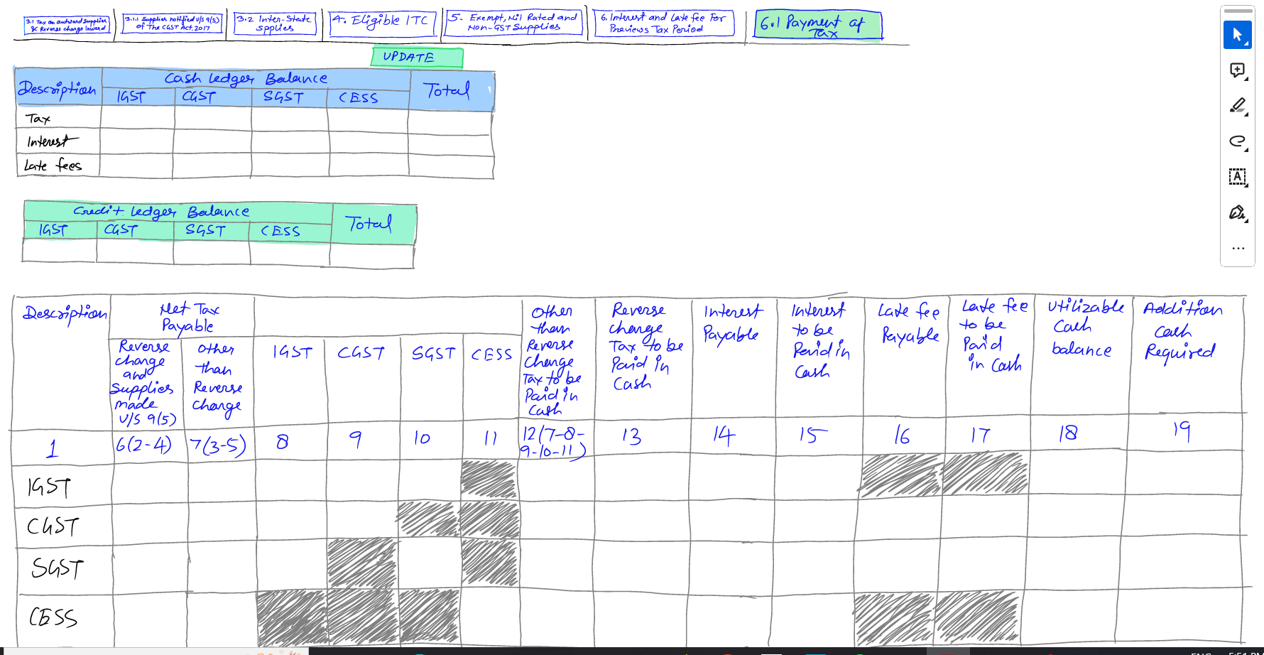
Tax/Cess paid in cash
IGST |  |  |  |  |  |  |  |  |  |  |  |  | -
CGST |  |  |  |  |  |  |  |  |  |  |  |  | -
SGST |  |  |  |  |  |  |  |  |  |  |  |  | -
CESS |  |  |  |  |  |  |  |  |  |  |  |  | -
Total | - | - | - | - | - | - | - | - | - | - | - | - | -
Interest paid in cash
IGST |  |  |  |  |  |  |  |  |  |  |  |  | -
CGST |  |  |  |  |  |  |  |  |  |  |  |  | -
SGST |  |  |  |  |  |  |  |  |  |  |  |  | -
CESS |  |  |  |  |  |  |  |  |  |  |  |  | -
Total | - | - | - | - | - | - | - | - | - | - | - | - | -
Late fee paid in cash
CGST |  |  |  |  |  |  |  |  |  |  |  |  | -
SGST |  |  |  |  |  |  |  |  |  |  |  |  | -
CESS |  |  |  |  |  |  |  |  |  |  |  |  | -
Total | - | - | - | - | - | - | - | - | - | - | - | - | -
Reverse Charge paid in cash
CGST |  |  |  |  |  |  |  |  |  |  |  |  | -
SGST |  |  |  |  |  |  |  |  |  |  |  |  | -
CESS |  |  |  |  |  |  |  |  |  |  |  |  | -
Total | - | - | - | - | - | - | - | - | - | - | - | - | -

6.2. TDS/TCS Credit
TDS
IGST |  |  |  |  |  |  |  |  |  |  |  |  | -
CGST |  |  |  |  |  |  |  |  |  |  |  |  | -
SGST |  |  |  |  |  |  |  |  |  |  |  |  | -
Total | - | - | - | - | - | - | - | - | - | - | - | - | -
TCS
IGST |  |  |  |  |  |  |  |  |  |  |  |  | -
CGST |  |  |  |  |  |  |  |  |  |  |  |  | -
SGST |  |  |  |  |  |  |  |  |  |  |  |  | -
Total | - | - | - | - | - | - | - | - | - | - | - | - | -

